RF Module Deep Dormancy extra
Main Feature: Multi-RAT Coordinated Energy Saving Feature Parameter Description
Sub-Feature: RF Module Deep Dormancy
General statements
The RF module deep dormancy function allows RF modules to enter the dormancy state within specified periods when the network is under light or no load | comment: it is not so dynamically as we would wish
When LTE and NR share an RF module: The RF module can enter the dormancy state only when the dormancy conditions are met for both RATs.
It is recommended not to adjust base station configurations (for example, modify the RET port by running the MOD RETPORT command), install or activate a license file, or download a software version during the specified dormancy period. If the preceding operations are required, RF module deep dormancy should be first disabled
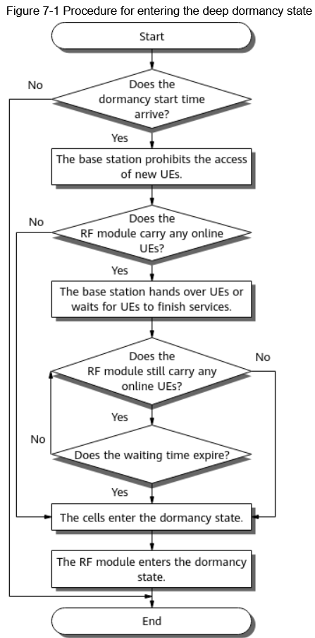
Conditions: All cells configured on the base station must be bound to specified BBPs
Entering the Deep Dormancy State

the RF module enters a deep dormancy pre-processing procedure
Two minutes later, RF module deep dormancy takes effect.
The eNodeB delivers event A4 measurement configurations about frequencies of the co-coverage neighboring basic cells to UEs in connected mode
In SA networking, UEs running voice services are transferred to inter-frequency or inter-RAT neighboring cells through handovers
In SA networking, UEs without voice services are transferred to inter-frequency or inter-RAT neighboring cells through blind redirections
In NSA networking, UE connections on the NR side are released
For UEs that treat the cells as SCells in CA, the SCells are removed. For UEs that treat the cells as the PCells in CA, they are transferred to inter-frequency or inter-RAT cells through blind redirections
The base station checks whether the RF module still carries any online UEs. If yes, the procedure goes to next step after the waiting time specified by the RRU.DORMANCYTIMER parameter has elapsed

If all cells for all RATs of the RF module do not carry any online services, the cells enter the dormancy state

When the dormancy conditions are met, the system waits for a random period of time based on the EQUIPMENT.MAXRAMDORMANCYWAITTIME parameter and then enters the deep dormancy state. This prevents a large number of sites from entering the deep dormancy state at the same time and the consequent impact on signaling of the core network.

Exiting the Deep Dormancy State
When the stop time specified by the RRU.DORMANCYSTOPTIME parameter arrives, the RF module starts to exit the deep dormancy state. During the exit, the RF module restarts to revert to the normal state from the deep dormancy state.
After RF module deep dormancy is disabled, the RF module starts to exit the deep dormancy state. | If the RF module is continuously disconnected for about 15 minutes during the dormancy period, the cells will exit the dormancy state.
exiting the deep dormancy state involves operations such as RF module restart and cell reestablishment

Network Impacts
This function triggers handovers or redirections for online UEs, increasing the numbers of handover requests and redirections from the cell
The signal strength in an area served by an RF module in the deep dormancy state decreases because the RF module does not transmit signals. UEs may experience service drops and access failures
After the RF module enters the deep dormancy state or in the process of exiting this state, the following alarms are not reported unless triggered by other factors | ALM-26235 RF Unit Maintenance Link Failure
 | ALM-29240 Cell Unavailable
 | ALM-29243 Cell Capability Degraded
 | ALM-29249 eNodeB Out of Service
 | ALM-29840 gNodeB Out of Service
 | ALM-29841 NR Cell Unavailable
 | ALM-29844 NR DU Cell Unavailable
 | ALM-29870 NR DU Cell TRP Unavailable
 | ALM-29871 NR DU Cell TRP Capability Degraded
The RF module restarts in the process of exiting the deep dormancy state. After the restart, RF module startup events (for purposes such as power-off reset and self-reset) are reported normally

The OSS executes related configurations after the base station exits the deep dormancy state. This increases the waiting time before configuration execution. It takes less than 10 minutes on average for the base station to exit the deep dormancy state.
If an NE of the base station is in the deep dormancy state, the base station automatically exits the deep dormancy state and then executes a single power-related command. It takes less than 10 minutes on average for the base station to exit the deep dormancy state
Dormant cells are reestablished when the RF module exits the deep dormancy state, and multiple cell setup attempts may occur before a cell is successfully reestablished. This increases the value of the N.cell.unavail.dur.system counter.
Assume that the local and neighboring base stations are in the deep dormancy state, and an upgrade is performed for the local base station, not for the neighboring base stations. The local base station reverts to the normal state after the upgrade, and cell edge users (CEUs) in weak coverage areas may access the available cells served by the local base station. This affects KPIs related to the aspects such as access and service drop of the local base station. It is recommended that the PND DORMANCY command be executed on both the base station to be upgraded and its neighboring base stations within the upgrade time window
Before an RF module enters the deep dormancy state, new UEs are prohibited from accessing an NR cell during NR carrier shutdown. If UEs attempt to be handed over to the NR cell, the values of the counters related to handover preparation failures (such as N.HO.IntraFreq.FailOut.PrepFailure) slightly increase. Such counters are not used for calculating Huawei-defined KPIs outgoing intra- and inter-frequency handover success rates, but may be used for calculating user-defined KPIs

Data Preparation - Main Parameters
Dormancy Switch | RRU.DORMANCYSW
Dormancy Start Time | RRU.DORMANCYSTARTTIME
Dormancy Stop Time | RRU.DORMANCYSTOPTIME
Custom Dormancy Standard Switch | RRU.CUSTOMDORMANCYSTDSW | It is recommended that this switch be turned on when LTE and NR share the same main control board and RF modules

Deactivating scheduled RF module deep dormancy | MOD RRU: CN=0, SRN=60, SN=0, DORMANCYSW=OFF;

Activation Verification
DSP BRDDORMANCY ->Query Type: Site
DSP BRDDORMANCY ->Query Type: Board
Run the DSP RRU command. If the value of the Dormancy Switch parameter is ON in the command output, RF module deep dormancy has taken effect

DSP CELL ->Cell power save state | CELL_PWRSAVE_RF_DEEP_SLEEP
DSP NRDUCELL ->Power Saving State | Dormancy of All RF Modules:Enabled

Network Monitoring
energy consumption of the base station | VS.EnergyCons.BTSBoard.
duration of cell unavailability due to RF module deep dormancy | L.Cell.Unavail.Dur.RFModuleDeepDormancy
 | N.Cell.Unavail.Dur.RFModuleDeepDormancy
RF module–level counter | VS.RADIOEQM.DeepDormancy.Dur

If the base station has a module fault or service fault that will cause cell unavailability or fault transfer after a module enters the deep dormancy state, the module will not enter this state.
If the module is already in the deep dormancy state when the fault occurs, it will exit this state.

